How to Run Payroll Adj Report
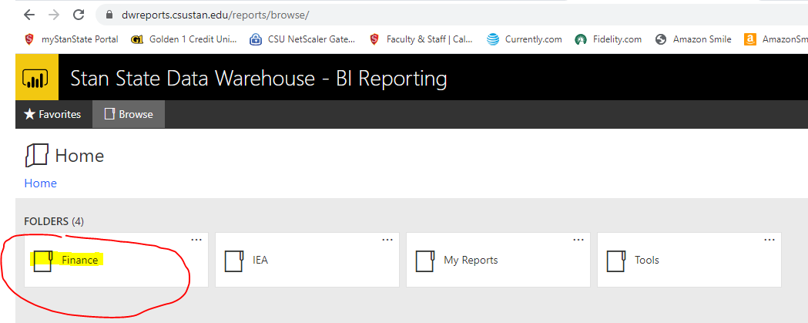
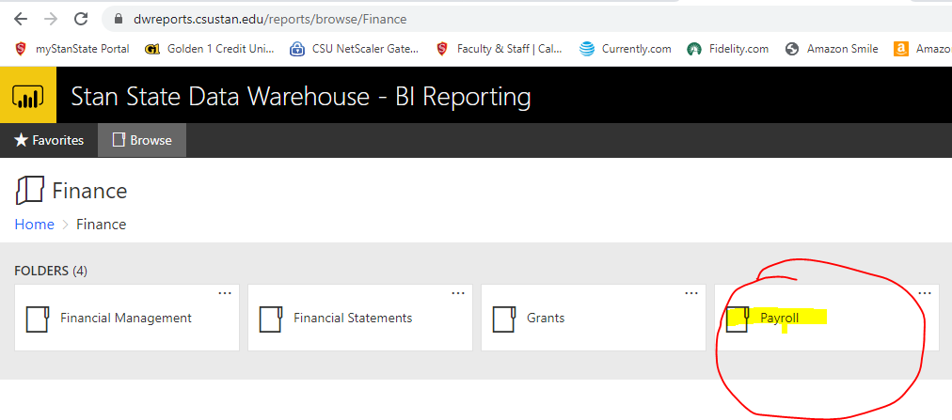
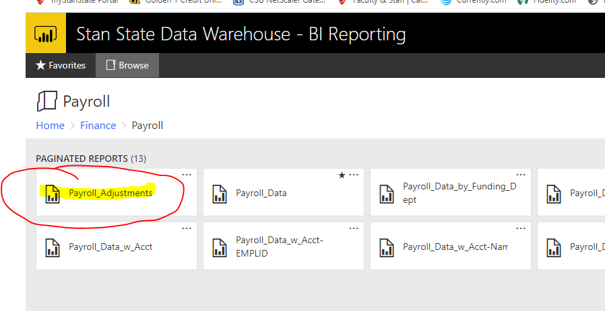
How to Run Payroll Adjustments Report for Payroll Expenditure Transfer Form submissions:

1) Go to my.csustan.edu Employee Portal. Select Stanalytics Reporting near the center bottom of the page.
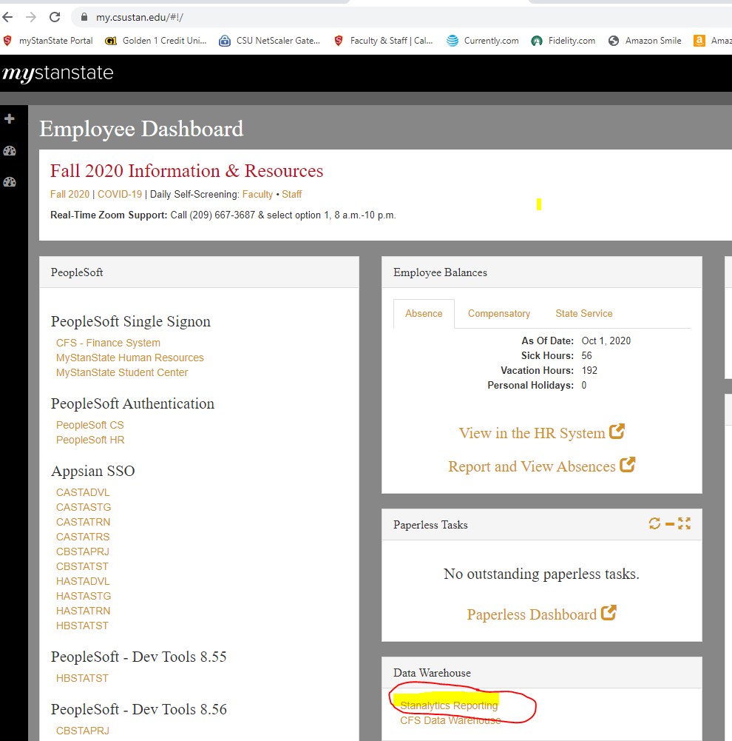

2) After logging in, Select Finance/Payroll/Payroll/Payroll Adjustments.

