Payroll Report
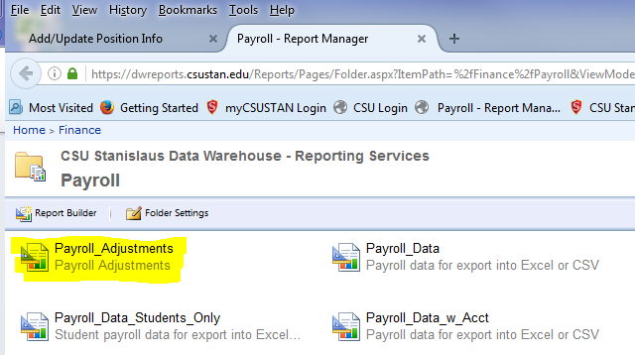

To print payroll report:

